Dashboard
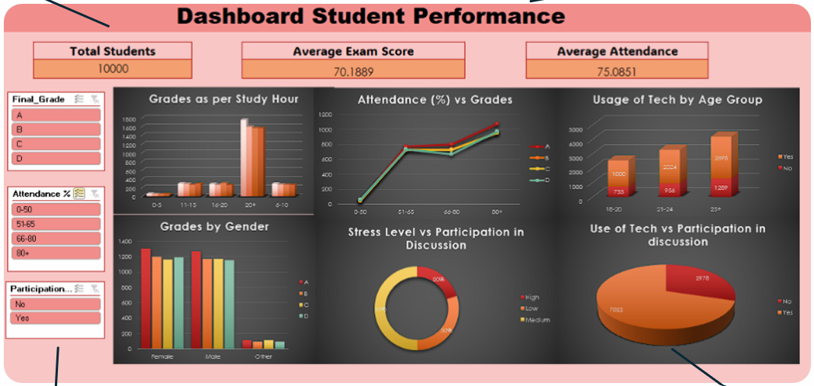

Data Analysis
Data analysts spend first couple of hours, just looking at the data and understanding it.

 |  | Data Range: |  | A1:O10001 |  | A to O
 |  |  |  |  |  | 2 to 10001
1. Data Cleaning:
 | a. Null/Missing Values |  | Countif(range, "") |  |  |  | count the blank values

 | A | B | C | D | E | F | G | H | I | J | K | L | M | N | O
 | 0 | 0 | 0 | 0 | 0 | 0 | 0 | 0 | 0 | 0 | 0 | 0 | 0 | 0 | 0

 | b. Duplicate Values
 | No duplicates found

 | c. Column types are okay for now

2. We create pivot tables for analysis.

 | a. Pivot table : Final grade by gender

 |  | Count of Final_Grade | Column Labels
 |  | Row Labels | A | B | C | D | Grand Total
 |  | Female | 1302 | 1197 | 1161 | 1186 | 4846
 |  | Male | 1262 | 1168 | 1168 | 1150 | 4748
 |  | Other | 114 | 90 | 111 | 91 | 406
 |  | Grand Total | 2678 | 2455 | 2440 | 2427 | 10000

 |  | relatively distribution is balanced between male vs female
 |  | female students have a slight edge in top grades

 | b. Study hours against Grades achieved
 |  |  |  |  |  |  |  |  |  |  |  | A |  | A
 |  | Count of Final_Grade | Column Labels |  |  |  |  |  |  |  | 5 | 10 | 5 to 9 | 90
 |  | Row Labels | A | B | C | D | Grand Total |  |  |  | 6 | 20
 |  | 5-9 | 286 | 273 | 249 | 262 | 1070 |  |  |  | 7 | 40
create bins |  | 10-14 | 293 | 278 | 269 | 285 | 1125 |  |  |  | 8 | 10
groups of data |  | 15-20 | 347 | 312 | 358 | 316 | 1333 |  |  |  | 9 | 10
 |  | >20 | 1752 | 1592 | 1564 | 1564 | 6472 |  |  |  | 10
 |  | Grand Total | 2678 | 2455 | 2440 | 2427 | 10000 |  |  |  | 11
 |  |  |  |  |  |  |  |  |  |  | 12
 |  |  |  |  |  |  |  |  |  |  | 13
 |  |  |  |  |  |  |  |  |  |  | 14
 |  |  |  |  |  |  |  |  |  |  | 15
 |  |  |  |  |  |  |  |  |  |  | 16
 | c. Exam Score vs Learning Style |  |  |  |  |  |  |  |  |  | 17

 | d. Impact of stress level and social media usage on grades

 | e. Use of Technology vs Participation in Discussion

 | f. Impact of Attendence on Grades

 | g. Participation in Discussions of Students having Stress

 | h. Usage of Technology vs Different Age Groups

